Test Scenerios Candidate Module
CV CHANGE Module: Candidate
1)Initialization page
2) Candidate sign up and login
3)Candidate main page
4)Candidate menu bar
5)Candidate profile
6)Candidate password reset
Test Run Information:
Tester Name: Muhammad Hamza Zubair
Date(s) of Test: 22-8-19
Prerequisites for this test: 1)Your device should be net connected
2) Cv change app should be installed on your device

S.no | Req#ID | Scenerios | No of test cases
1 | 1.1.1 | Testing the initialization page | 1
2 | 1.1.2 | Testing the sign up page | 17
3 | 1.1.3 | Testing the log in page | 7
4 | 1.1.4 | Testing the main page | 8
5 | 1.1.5 | Testing menu bar | 9
6 | 1.1.6 | Testing profile | 6
7 | 1.1.7 | Testing password reset | 1
 |  |  | 49

Test Scenerios Employer Module
CV CHANGE Module: Employer
1) Employer sign up
2)Employer login
3)Employer profile
4)Employer password reset
Test Run Information:
Tester Name: Muhammad Hamza Zubair
Date(s) of Test: 22-8-19
Prerequisites for this test: 1)Your device should be net connected
2) Cv change app should be installed on your device

S.no | Req#ID | Scenerios | No of test cases
1 | 2.1.1 | Testing the sign up page | 10
2 | 2.1.2 | Testing the log in page | 1
3 | 2.1.3 | Testing profile | 4
4 | 2.1.4 | Password reset | 5
 |  |  | 20

Test Scenerios system testing
CV CHANGE Module: System testing
1)Re-testing
2) Regression testing
3)Compatibility testing
Test Run Information:
Tester Name: Muhammad Hamza Zubair
Date(s) of Test: 22-8-19
Prerequisites for this test: Your device should be net connected

S.no | Req#ID | Scenerios | No of test cases
1 | 3.1.1 | Re-testing | 1
2 | 3.1.2 | Regression testing | 1
3 | 3.1.3 | Compatibility testing | 1
 |  |  | 3

Bug Report
QA |  |  |  |  |  |  |  |  |  |  | DEV
Bug ID | Module name | Build no | Description | Test case ID | Steps to replicate bug | Screenshots | Severity | Priority | Reported by | Assigned to | Resolution | Status | Fixed date
HP_001 | Cv change-Candidate | 1 | Homepage is opened and all the options are showing but also showing a gmail account of a user who is not logged in. | TC_Candidate_001 | 1)Launch Cv change app 2)Swipe to the right | 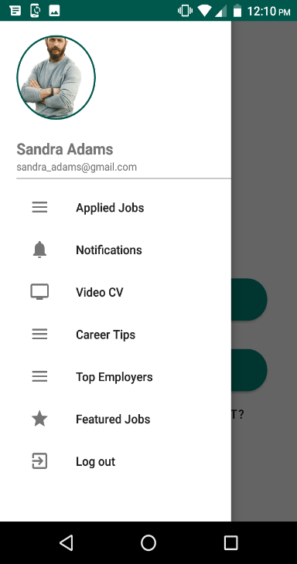 | S1 | P1 | M.Hamza Zubair | Akshay | Accepted | Fixed | 26-8-19
HP_002 | Cv change-Candidate | 1 | After clicking candidate the sign up page will appear containing the fields as mentioned in BRS with correct spellings but there is a spelling mistake in a field (Are you jobless?) | TC_Candidate_002 | 1)Launch Cv change app 2)Click on the candidate option | 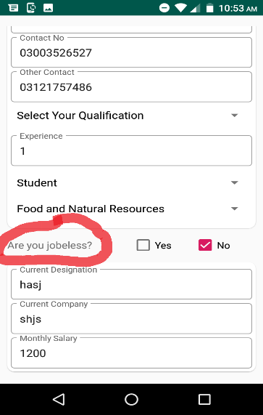 | S3 | P3 | M.Hamza Zubair | Akshay | Accepted | Fixed | 26-8-20
HP_003 | Cv change-Candidate | 1 | The fields are editable but the name and father name fields are also allowing numeric data. | TC_Candidate_003 | 1)Launch Cv change app 2)Click on the candidate option 3)Enter the data in the mentioned fields | 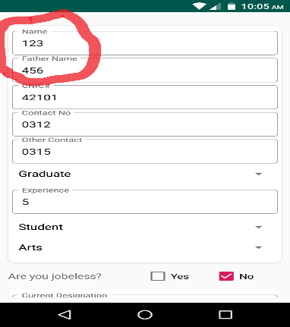 | S3 | P3 | M.Hamza Zubair | Akshay | Accepted | Fixed | 26-8-21
HP_004 | Cv change-Candidate | 1 | The fields are editable but experience field is allowing only numeric data. | TC_Candidate_005 | 1)Launch Cv change app 2)Click on the candidate option 3)Enter data to the mentIoned fields | 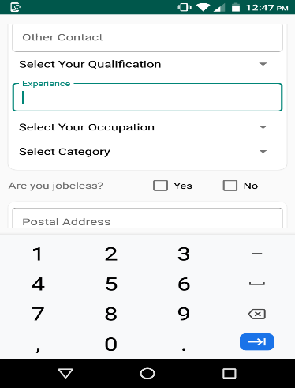 | S2 | P2 | M.Hamza Zubair | Akshay | Accepted | Fixed | 26-8-22
HP_005 | Cv change-Candidate | 1 | A message should appear "Please fill" over the unfilled fields | TC_Candidate_008 | 1)Launch Cv change app 2)Click on the candidate option 3)Fill some of the fields but not all. 4)Click on "CREATE ACCOUNT" by checking the Terms and conditions agreement. | 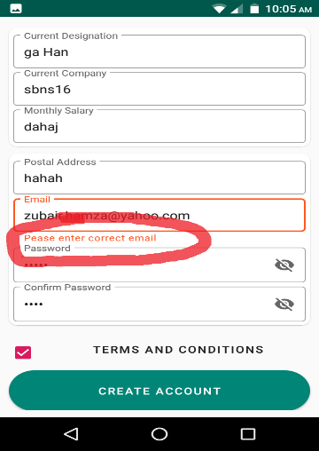 | S3 | P3 | M.Hamza Zubair | Akshay | Accepted | Fixed | 26-8-23
HP_006 | Cv change-Candidate | 1 | A message should be displayed on the fields with invalid data | TC_Candidate_009 | 1)Launch Cv change app 2)Click on the candidate option 3)Fill all the fields with invalid data. 4)Click on "CREATE ACCOUNT" by checking the Terms and conditions agreement. | 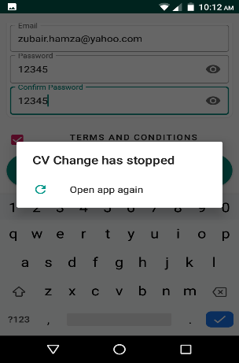 | S2 | P2 | M.Hamza Zubair | Akshay | Not Reproducible
HP_007 | Cv change-Candidate | 1 | A message should be displayed only to fill the unfilled information | TC_Candidate_011 | 1)Launch Cv change app 2)Click on the candidate option 3)Fill all the fields with valid data except qualification 4)Click on "CREATE ACCOUNT" by checking the Terms and conditions agreement. 5)Repeat these steps for category and occupation as well simultaneoully | 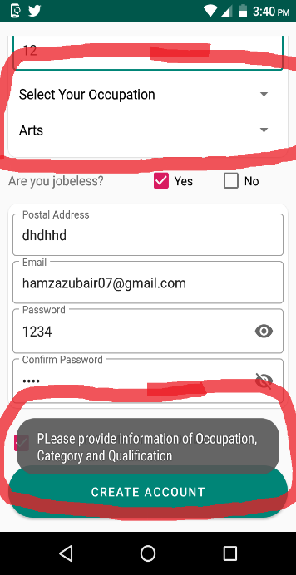 | S3 | P3 | M.Hamza Zubair | Akshay | As designed
HP_008 | Cv change-Candidate | 1 | A message should be displayed Please fll the information but there is a case defect in "Please" | TC_Candidate_013 | 1)Launch Cv change app 2)Click on the candidate option 3)Fill all the fields with valid data except occupation 4)Click on "CREATE ACCOUNT" by checking the Terms and conditions agreement. |  | S3 | P3 | M.Hamza Zubair | Akshay | Accepted | Fixed | 26-8-19
HP_009 | Cv change-Candidate | 1 | Un authorised user | TC_Candidate_015 | 1)Launch Cv change app 2)Enter the user name and password of the registered account | 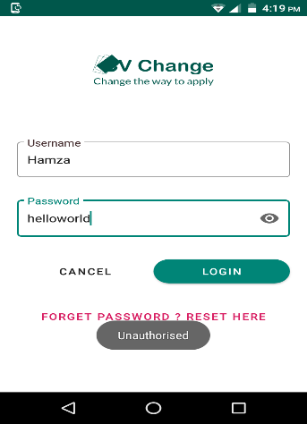 | S1 | P1 | M.Hamza Zubair | Akshay | Accepted | Fixed | 26-8-19
HP_010 | Cv change-Candidate | 1 | Log in successful on entering email Note: Change the field from username to email | TC_Candidate_016 | 1)Launch Cv change app 2)Enter EMAIL and password of the registered account (Valid) | 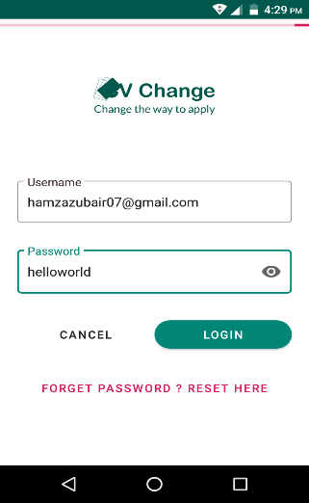 | S1 | P1 | M.Hamza Zubair | Akshay | Accepted | Fixed | 26-8-19
HP_011 | Cv change-Candidate | 2 | In correct spelling of Please | TC_Candidate_021 | 1)Launch Cv change app 2)Click on the candidate option 3)Fill all the fields with valid data and incorrect email 4)Click on "CREATE ACCOUNT" by checking the Terms and conditions agreement. |  | S3 | P3 | M.Hamza Zubair | Akshay | Accepted | Fixed | 29-8-19
HP_012 | Cv change-Candidate | 2 | Problem in logo | TC_Candidate_014 | 1)Launch Cv change app 2)Click on the sign in option | 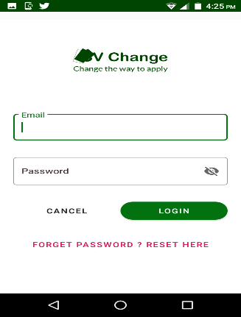 | S3 | P3 | M.Hamza Zubair | Akshay | Accepted | Fixed | 29-8-19
HP_013 | Cv change-Candidate | 2 | When logging in, the main page displaying the categories section with out selecting it | TC_Candidate_023 | 1)Launch Cv change app 2)Click on the sign in option 3)Enter registered email and password 4)Click on log in |  | S2 | P3 | M.Hamza Zubair | Akshay | Reject
HP_014 | Cv change-Candidate | 2 | The + option is overlapped with apply option | TC_Candidate_024 | 1)Launch Cv change app 2)Click on the sign in option 3)Enter registered email and password 4)Click on log in 5)Click on apply simultaneouly | 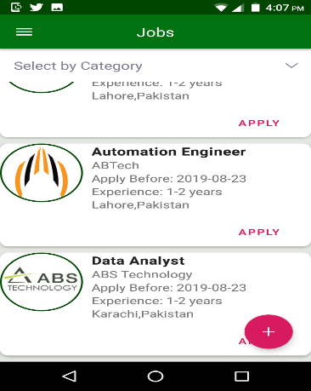 | S3 | P3 | M.Hamza Zubair | Akshay | As designed | Fixed
HP_015 | Cv change-Candidate | 2 | There is a pre positional defect in the statement.The message should be changed to "You have already applied for this job" | TC_Candidate_025 | 1)Launch Cv change app 2)Click on the sign in option 3)Enter registered email and password 4)Click on log in 5)Click on apply simultaneouly | 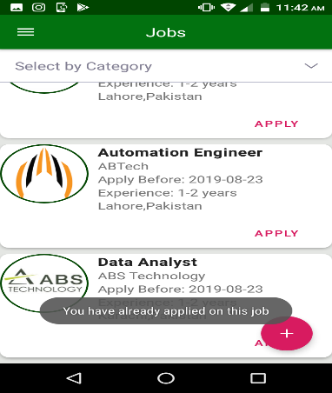 | S3 | P3 | M.Hamza Zubair | Akshay | Accepted | Ashir. In progress
HP_016 | Cv change-Candidate | 2 | The jobs are not displaying according to the selection | TC_Candidate_027 | 1)Launch Cv change app 2)Click on the sign in option 3)Enter registered email and password 4)Click on log in 5)Click on category tab and select the category one by one and than multiple categories at the same time | 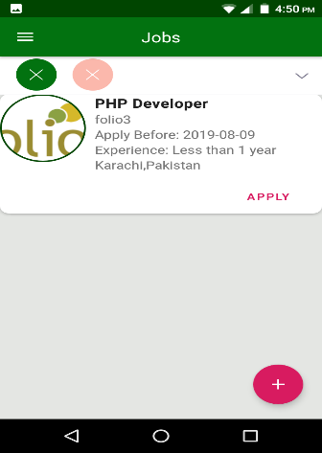 | S2 | P2 | M.Hamza Zubair | Akshay | Accepted | Pending
HP_017 | Cv change-Candidate | 2 | There is grammatical error in the message "You have applied for a job successfully" | TC_Candidate_029 | 1)Launch Cv change app 2)Click on the sign in option 3)Enter registered email and password 4)Click on log in 5)Apply for a job by clicking apply | 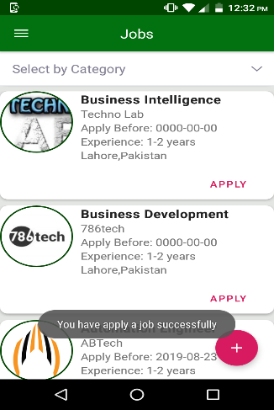 | S3 | P3 | M.Hamza Zubair | Akshay | Accepted | Ashir. In progress
HP_018 | Cv change-Candidate | 2 | The picture is not giving a professional look | TC_Candidate_032 | 1)Launch Cv change app 2)Click on the sign in option 3)Enter registered email and password 4)Click on log in 5)Click on the menu bar 6)Click on your profile | 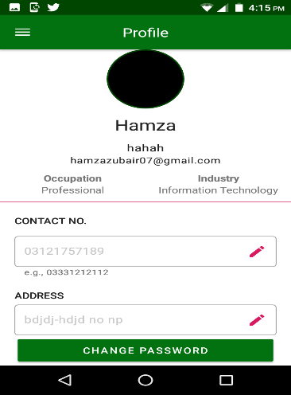 | S3 | P3 | M.Hamza Zubair | Akshay | Enhancment | Fixed
HP_019 | Cv change-Candidate | 2 | The list is opened but there is no option to delete | TC_Candidate_036 | 1)Launch Cv change app 2)Click on the sign in option 3)Enter registered email and password 4)Click on log in 5)Apply for a job by clicking apply 6)Click on the menu bar 7)Click on applied jobs | 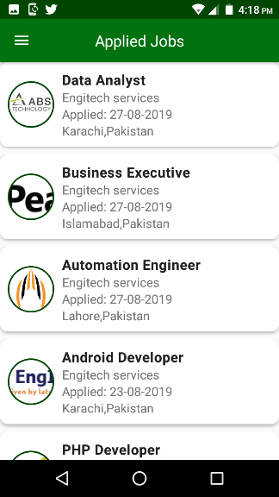 | S1 | P1 | M.Hamza Zubair | Akshay | As designed
HP_020 | Cv change-Candidate | 2 | Operation should be failed and the message should be displayed "In correct information" | TC_Candidate_039 | 1)Launch Cv change app 2)Click on the sign in option 3)Enter registered email and password 4)Click on log in 5)Click on menu bar 6)Click on your profile 7)Click on change password 8)Enter invalid current password 9)Enter new password and confirm password same as new password 10)Click on update | 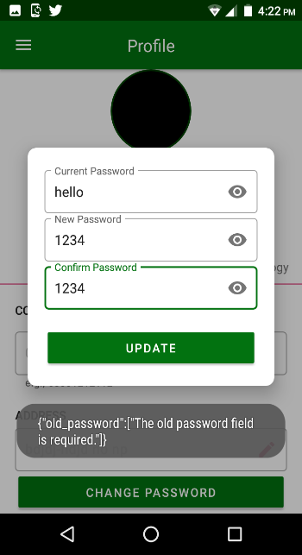 | S3 | P3 | M.Hamza Zubair | Akshay | Accepted | Fixed
HP_021 | Cv change-Candidate | 2 | Operation should be failed and the message should be displayed "Password doesn't match" | TC_Candidate_040 | 1)Launch Cv change app 2)Click on the sign in option 3)Enter registered email and password 4)Click on log in 5)Click on menu bar 6)Click on your profile 7)Click on change password 8)Enter valid current password 9)Enter new password and confirm password different from new password 10)Click on update | 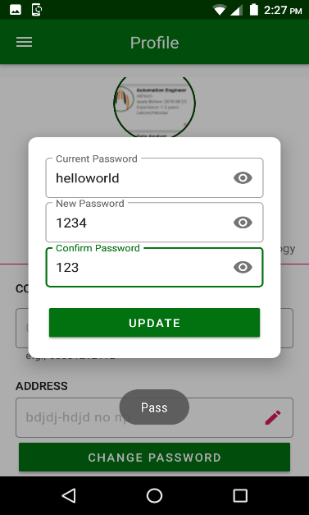 | S3 | P3 | M.Hamza Zubair | Akshay | Accepted | Fixed
HP_022 | Cv change-Candidate | 2 | Password didn't change | TC_Candidate_041 | 1)Launch Cv change app 2)Click on the sign in option 3)Enter registered email and password 4)Click on log in 5)Click on menu bar 6)Click on your profile 7)Click on change password 8)Enter valid current password 9)Enter new password and confirm password same as new password 10)Click on update | 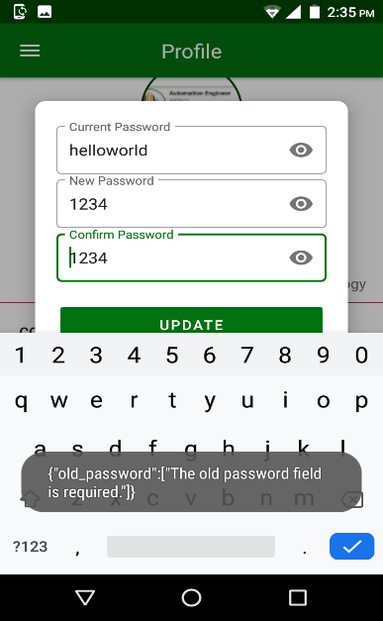 | S1 | P1 | M.Hamza Zubair | Akshay | Accepted | Fixed
HP_023 | Cv change-Candidate | 2 | You will receive an email to reset your account | TC_Candidate_042 | 1)Launch Cv change app 2)Click on the sign in option 3)Click on Forget Password 4)Enter your registered email 5)Click on reset password | 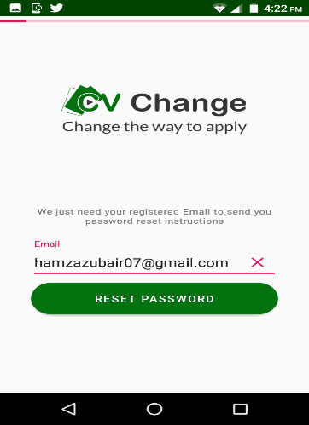 | S1 | P1 | M.Hamza Zubair | Akshay | Accepted | Asir. In progress
HP_024 | Cv change-Candidate | 3 | Password changed but there is a spelling mistake | TC_Candidate_043 | 1)Launch Cv change app 2)Click on the sign in option 3)Enter registered email and password 4)Click on log in 5)Click on menu bar 6)Click on your profile 7)Click on change password 8)Enter valid current password 9)Enter new password and confirm password same as new password 10)Click on update | 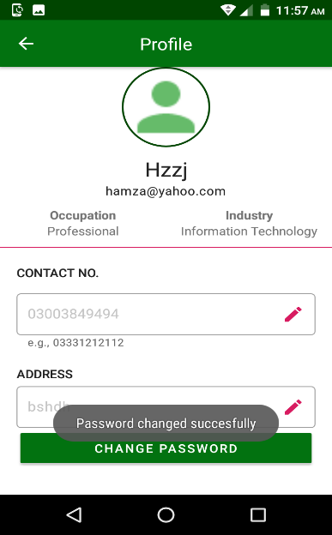 | S3 | P3 | M.Hamza Zubair | Akshay | Accepted | Asir. In progress
HP_025 | Cv change-Candidate | 3 | Spelling mistake | TC_Candidate_044 | 1)Launch Cv change app 2)Click on the sign in option 3)Enter registered email and password 4)Click on log in 5)Click on menu bar 6)Click on your profile 7)Click on change password 8)Enter valid current password 9)Enter new password and confirm password and leave the confirm password field blank 10)Click on update | 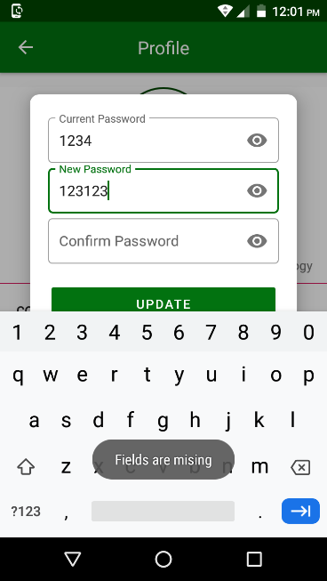 | S3 | P3 | M.Hamza Zubair | Akshay | Accepted | Fixed
HP_026 | Cv change-Candidate | 3 | The picture resolution is very low | TC_Candidate_045 | 1)Launch Cv change app 2)Click on the sign in option 3)Enter registered email and password 4)Click on log in 5)Click on the menu bar 6)Click on your profile | 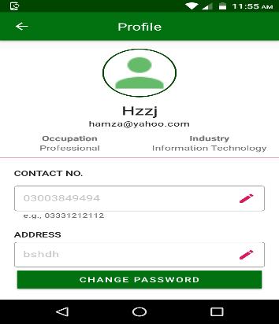 | S3 | P3 | M.Hamza Zubair | Akshay | Accepted | Fixed
HP_027 | Cv change-Candidate | 3 | Sign up successful but the confirmation message is not displayed | TC_Candidate_046 | 1)Launch Cv change app 2)Click on the candidate option 3)Fill all the fields with valid data 4)Click on "CREATE ACCOUNT" by checking the Terms and conditions agreement. |  | S3 | P3 | M.Hamza Zubair | Akshay | Enhancment | Fixed
HP_028 | Cv change-Employer | 3 | Spelling mistake in please | TC_Employer_048 | 1)Launch Cv change app 2)Click on the Employer option 3)Fill all the fields with valid data and invalid email 4)Click on "CREATE ACCOUNT" by checking the Terms and conditions agreement. | 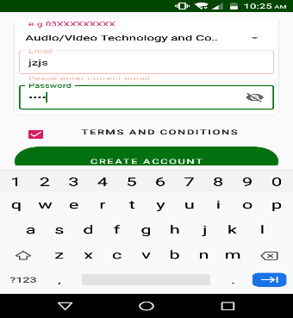 | S3 | P3 | M.Hamza Zubair | Akshay | Accepted | Fixed
HP_029 | Cv change-Employer | 3 | A message should be displayed Old password is in correct | TC_Employer_056 | 1)Launch Cv change app 2)Click on the sign in option 3)Enter registered email and password of Employer 4)Click on login 5)Click on change password 6)Enter invalid current pass and confirm pass same as new pass 7)Click update | 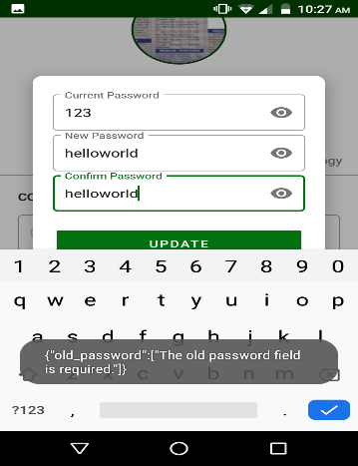 | S3 | P3 | M.Hamza Zubair | Akshay | Accepted | Fixed
HP_030 | Cv change-Employer | 3 | A message should be displayed Password does not match | TC_Employer_057 | 1)Launch Cv change app 2)Click on the sign in option 3)Enter registered email and password of Employer 4)Click on login 5)Click on change password 6)Enter valid current pass and confirm pass different from new pass 7)Click on update | 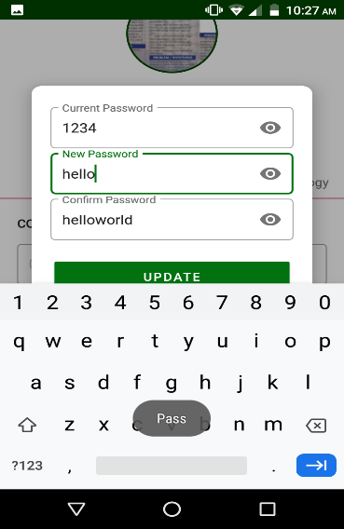 | S3 | P3 | M.Hamza Zubair | Akshay | Accepted | Fixed
HP_031 | Cv change-Employer | 3 | Spelling mistake in missing | TC_Employer_058 | 1)Launch Cv change app 2)Click on the sign in option 3)Enter registered email and password of Employer 4)Click on login 5)Click on change password 6)Enter valid current pass,new pass and leave the confirm pass field blank 7)Click on update | 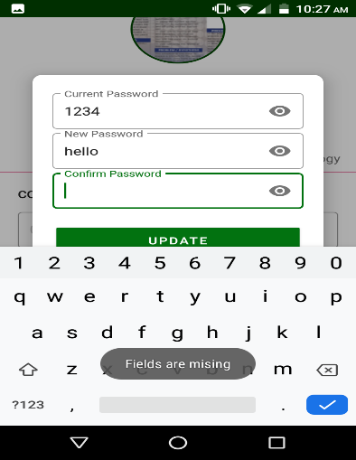 | S3 | P3 | M.Hamza Zubair | Akshay | Accepted | Fixed
HP_032 | Cv change-Employer | 3 | Password is not changing | TC_Employer_059 | 1)Launch Cv change app 2)Click on the sign in option 3)Enter registered email and password of Employer 4)Click on login 5)Click on change password 6)Enter valid current pass,new pass and confirm password same as new password 7)Click on update |  | S1 | P1 | M.Hamza Zubair | Akshay | Not Reproducible
HP_033 | Cv change-Employer | 3 | The confirm password field is missing | TC_Employer_061 | 1)Launch Cv change app 2)Click on the Employer option 3)Check all the fields | 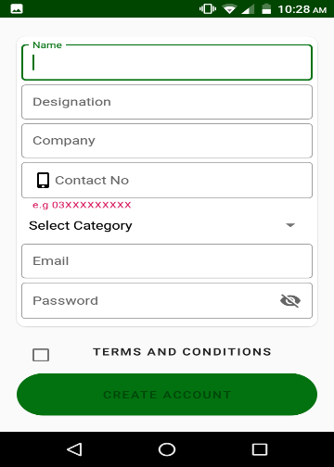 | S2 | P2 | M.Hamza Zubair | Akshay | As designed
HP_034 | Cv change-Employer | 3 | The orientation of the terms and conditions is not properly adjusted | TC_Employer_062 | 1)Launch Cv change app 2)Click on the Employer option 3)Check orientation and font size of each and every field |  | S3 | P3 | M.Hamza Zubair | Akshay | Enhancment
HP_035 | Cv change-Candidate | 3 | There should be e.g below contact No and Cnic for the guidance of the user. A mobile logo should be included in the contact no field to give a good look | TC_Candidate_063 | 1)Launch Cv change app 2)Click on the Candidate option 3)Check all the fields | 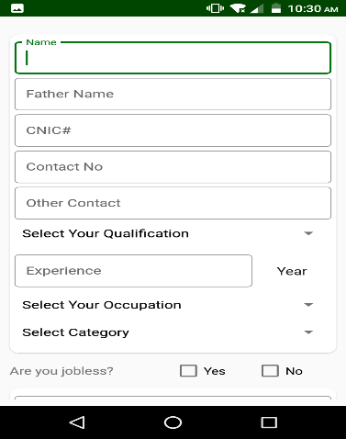 | S3 | P3 | M.Hamza Zubair | Akshay | Enhancment | Fixed
HP_036 | Cv change-Candidate | 3 | The terms and conditions statement at the bottom should be in the middle | TC_Candidate_064 | 1)Launch Cv change app 2)Click on the Candidate option 3)Check the orientation and font size of all the fields | 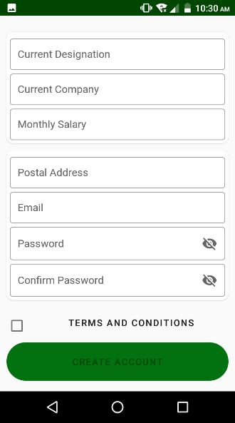 | S3 | P3 | M.Hamza Zubair | Akshay | Enhancment
HP_037 | Cv change-Employer | 3 | Sign up successful message is not showing | TC_Employer_065 | 1)Launch Cv change app 2)Click on the Employer option 3)Fill all the fields with valid data 4)Click on "CREATE ACCOUNT" by checking the Terms and conditions agreement. |  | S3 | P3 | M.Hamza Zubair | Akshay | Enhancment | Fixed
HP_038 | Cv change-Candidate | 4 | Spelling mistake in successful | TC_Candidate_066 | 1)Launch Cv change app 2)Click on the candidate option 3)Fill all the fields with valid data 4)Click on "CREATE ACCOUNT" by checking the Terms and conditions agreement. | 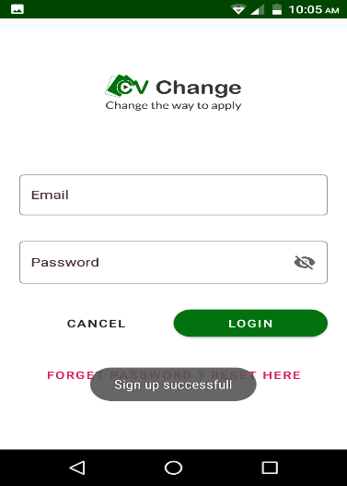 | S3 | P3 | M.Hamza Zubair | Akshay | Accepted | Fixed
HP_039 | Cv change-Employer | 4 | The orientation has changed, category is on the top and name moves below it | TC_Employer_067 | 1)Launch Cv change app 2)Click on the Employer option 3)Check orientation and font size of each and every field | 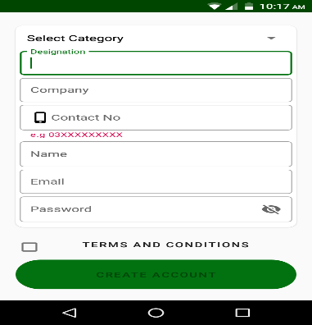 | S3 | P3 | M.Hamza Zubair | Akshay | Accepted | Fixed
HP_040 | Cv change-Employer | 4 | Password is changed but spelling mistake in successfully | TC_Employer_068 | 1)Launch Cv change app 2)Click on the sign in option 3)Enter registered email and password of Employer 4)Click on login 5)Click on change password 6)Enter valid current pass,new pass and confirm password same as new password 7)Click on update | 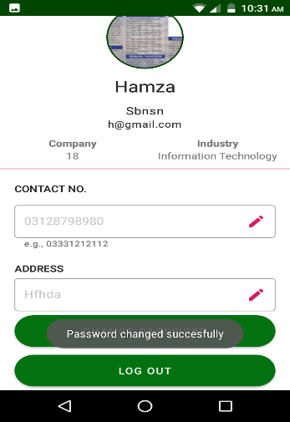 | S3 | P3 | M.Hamza Zubair | Akshay | Accepted | Fixed
HP_041 | Cv change-Employer | 4 | Sign up successful but there is a spelling mistake in successful | TC_Employer_069 | 1)Launch Cv change app 2)Click on the Employer option 3)Fill all the fields with valid data. 4)Click on "CREATE ACCOUNT" by checking the Terms and conditions agreement. | 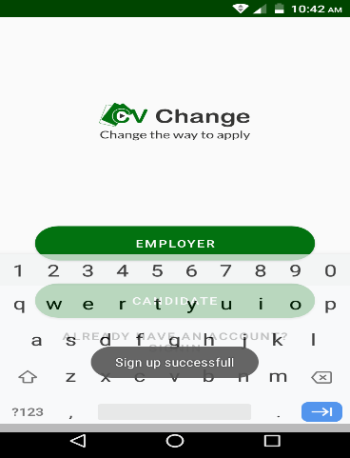 | S3 | P3 | M.Hamza Zubair | Akshay | Accepted | Fixed
HP_042 | Cv change-System | 5 | There is a defect in candidate module in spelling of Apply | TC_Systemtesting_071 | 1)Login as candidate 2)Click on any of the jobs to open its profile 3)Drag down at the bottom and see the apply button 4)There is a spelling mistake in apply |  | S3 | P3 | M.Hamza Zubair | Akshay

